Figure 1
Figure 1d | XRD Data

2\g(J) | 3C-SiC Reference | 2\g(J) | 3C-SiC Commercial |  | 3C-SiC Calculated | 3C-SiC Synthesized | 2\g(J) | Carbon Reference
° | a.u. | ° | a.u. |  | a.u. | a.u. | ° | a.u.
 |  |  |  |  |  | 3C-SiC Synthesized | Graphite Reference
16.181 | 100 | 4 | 18.67882 | 1 | SiC Calculated | 2.71375 | 18.982 | 41
18.725 | 20 | 4.015 | 19.36219 | 1.0025 | 0 | 2.9368 | 19.833 | 100
26.609 | 35 | 4.03 | 19.1344 | 1.005 | 0 | 2.89963 | 21.182 | 17
31.317 | 25 | 4.045 | 17.76765 | 1.0075 | 0 | 2.82528 | 25.03 | 2
32.741 | 5 | 4.06 | 18.45103 | 1.01 | 0 | 2.9368 | 29.941 | 5
38 | 5 | 4.075 | 16.40091 | 1.0125 | 0 | 3.27138 | 32.669 | 36
41.548 | 10 | 4.09 | 17.31207 | 1.015 | 0 | 2.7881 | 35.532 | 10
42.669 | 5 | 4.105 | 17.76765 | 1.0175 | 0 | 2.71375 | 38.052 | 2
46.995 | 5 | 4.12 | 15.71754 | 1.02 | 0 | 3.15985 | 38.511 | 16
50.03 | 5 | 4.135 | 17.53986 | 1.0225 | 0 | 3.0855 | 39.263 | 1
 |  | 4.15 | 20.50114 | 1.025 | 0 | 2.52788 | 41.592 | 1
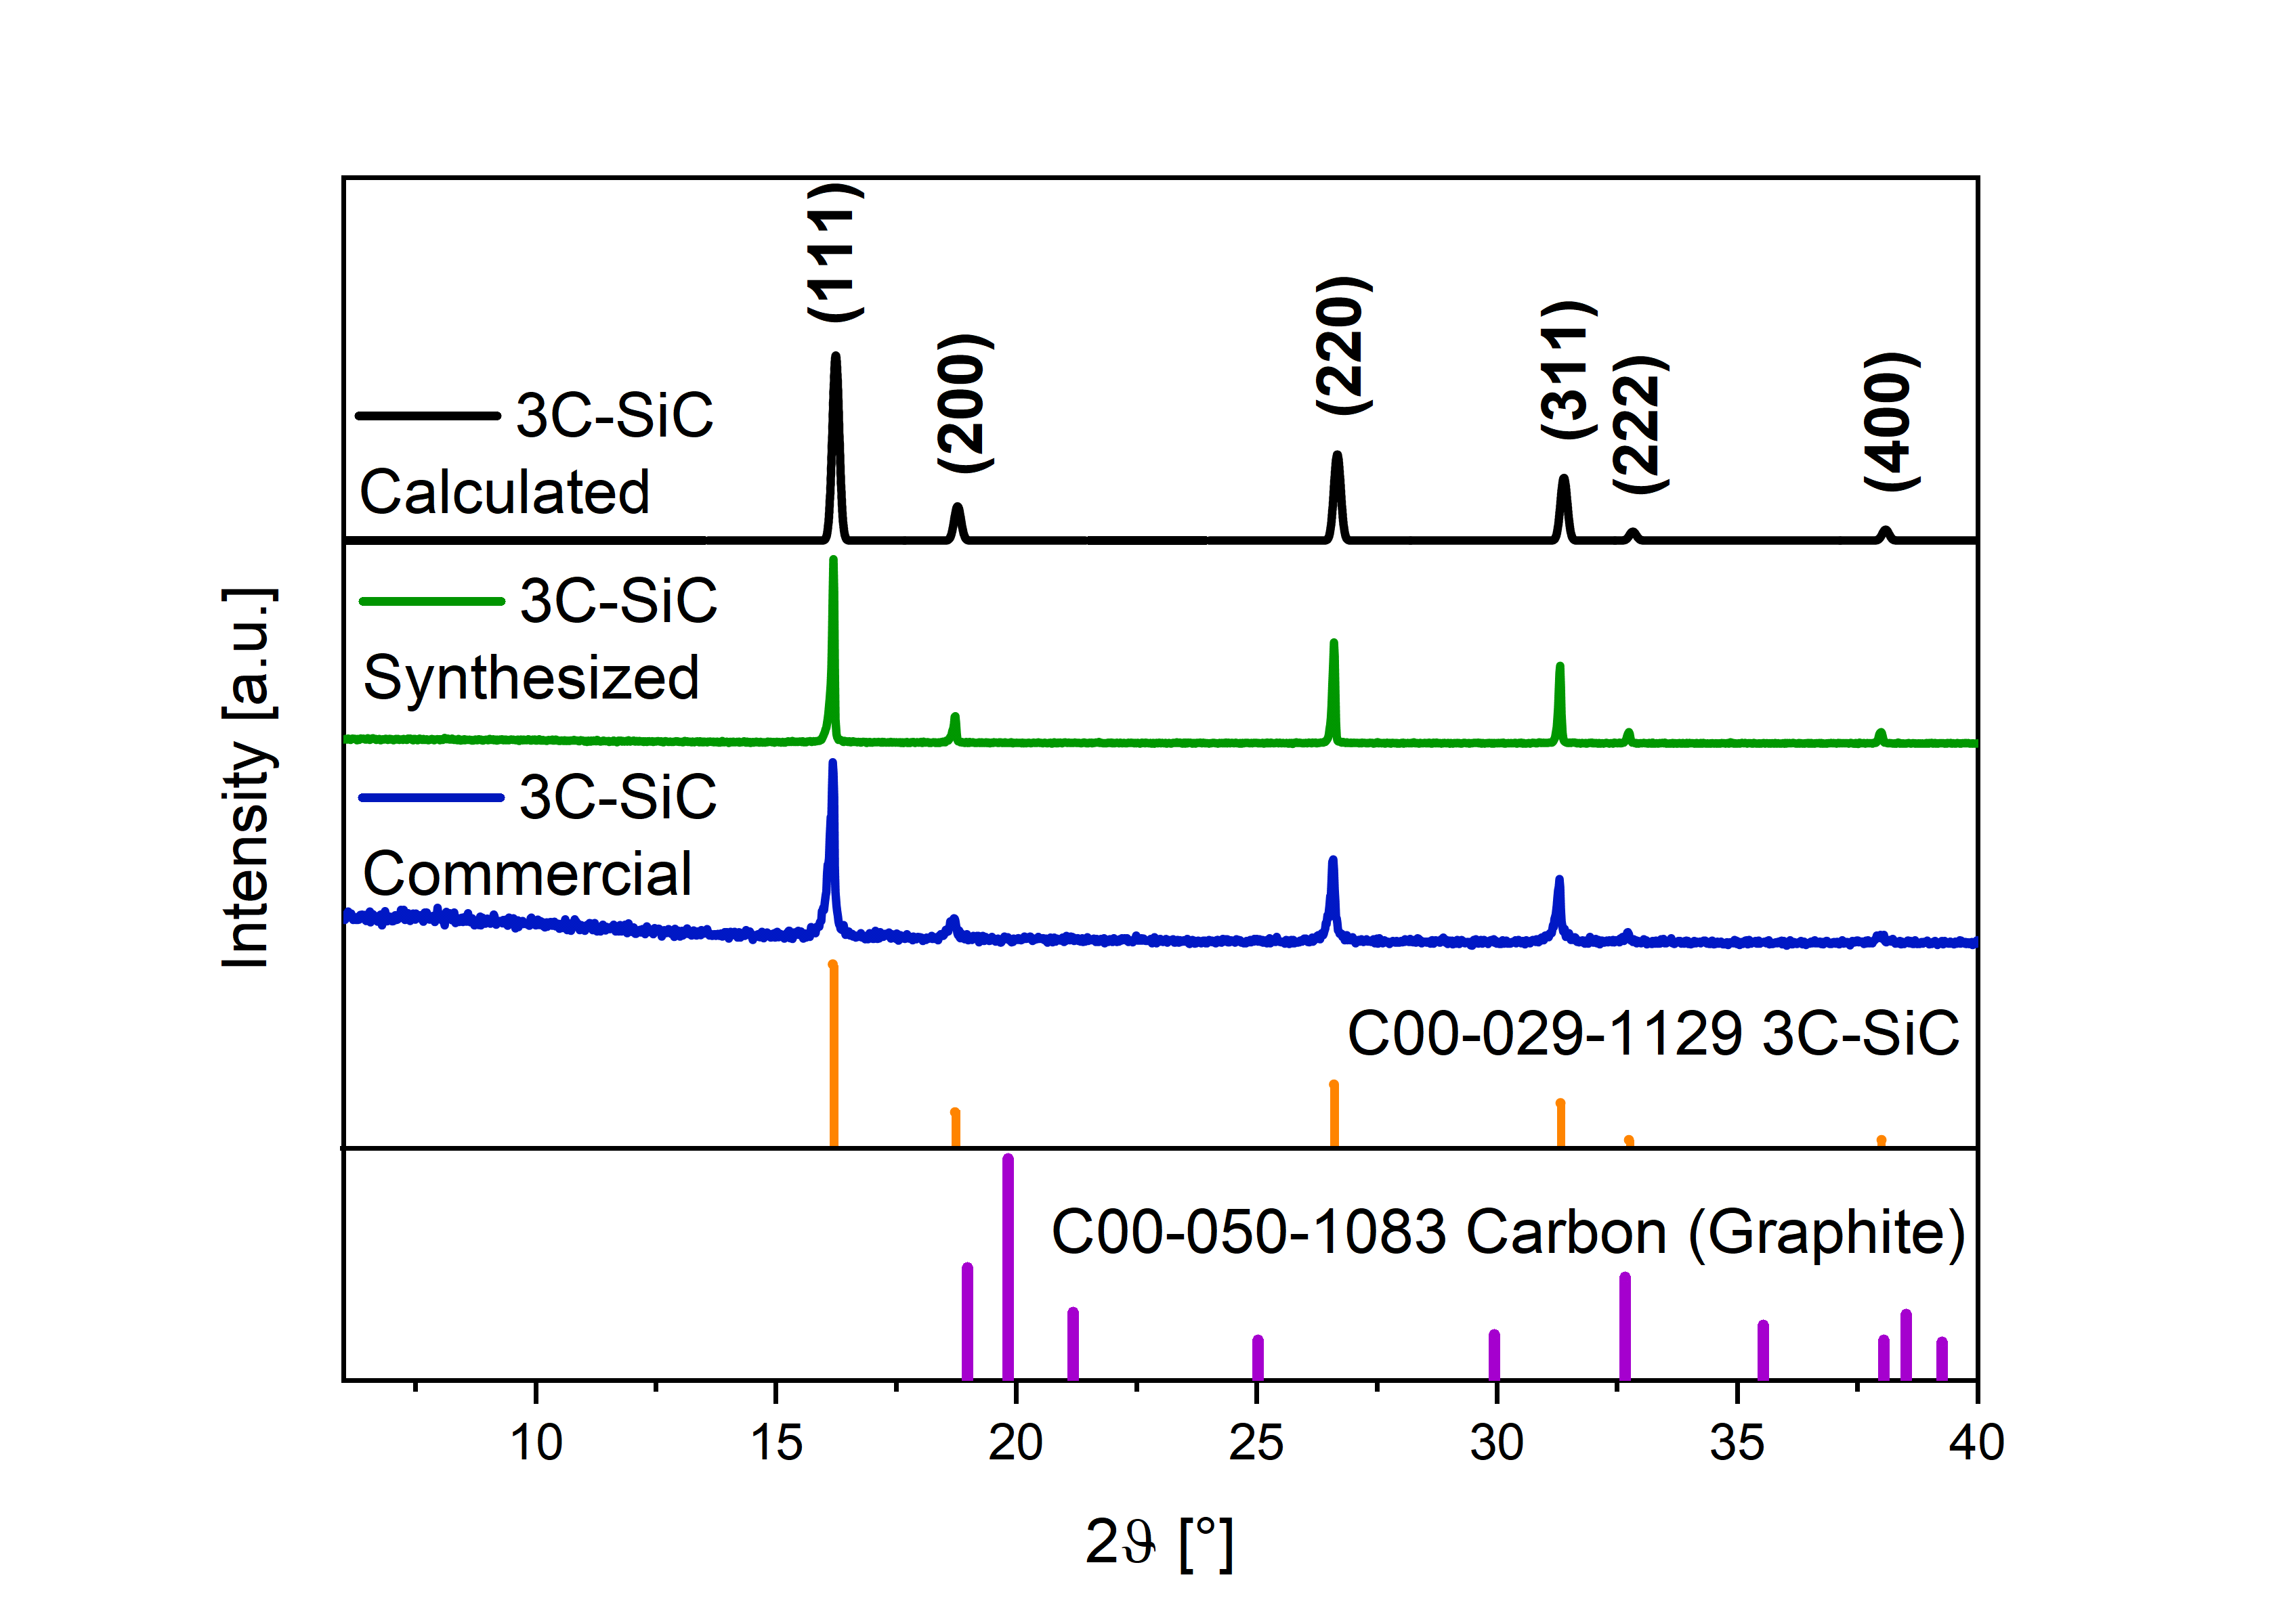
 |  | 4.165 | 18.22323 | 1.0275 | 0 | 2.63941
 |  | 4.18 | 19.81777 | 1.03 | 0 | 2.9368
 |  | 4.195 | 18.90661 | 1.0325 | 0 | 2.86245
 |  | 4.21 | 20.72893 | 1.035 | 0 | 2.9368
 |  | 4.225 | 19.81777 | 1.0375 | 0 | 2.97398
 |  | 4.24 | 20.04556 | 1.04 | 0 | 3.0855
 |  | 4.255 | 17.08428 | 1.0425 | 0 | 3.19703
 |  | 4.27 | 18.90661 | 1.045 | 0 | 3.19703
 |  | 4.285 | 20.04556 | 1.0475 | 0 | 3.15985
 |  | 4.3 | 22.32346 | 1.05 | 0 | 3.19703
 |  | 4.315 | 18.90661 | 1.0525 | 0 | 3.30855
 |  | 4.33 | 21.4123 | 1.055 | 0 | 2.86245
 |  | 4.345 | 17.76765 | 1.0575 | 0 | 3.04833
 |  | 4.36 | 18.45103 | 1.06 | 0 | 2.75093
 |  | 4.375 | 17.31207 | 1.0625 | 0 | 3.01115
 |  | 4.39 | 18.22323 | 1.065 | 0 | 3.2342
 |  | 4.405 | 19.81777 | 1.0675 | 0 | 2.56506
 |  | 4.42 | 20.04556 | 1.07 | 0 | 2.97398
 |  | 4.435 | 18.90661 | 1.0725 | 0 | 3.15985
 |  | 4.45 | 21.4123 | 1.075 | 0 | 3.12268
 |  | 4.465 | 17.99544 | 1.0775 | 0 | 2.97398
 |  | 4.48 | 16.85649 | 1.08 | 0 | 3.30855
 |  | 4.495 | 18.22323 | 1.0825 | 0 | 3.19703
 |  | 4.51 | 19.1344 | 1.085 | 0 | 3.56877
 |  | 4.525 | 17.99544 | 1.0875 | 0 | 3.0855
 |  | 4.54 | 18.45103 | 1.09 | 0 | 3.34572
 |  | 4.555 | 19.1344 | 1.0925 | 0 | 3.34572
 |  | 4.57 | 20.04556 | 1.095 | 0 | 3.34572
 |  | 4.585 | 16.6287 | 1.0975 | 0 | 2.63941
 |  | 4.6 | 15.48975 | 1.1 | 0 | 2.82528
 |  | 4.615 | 16.85649 | 1.1025 | 0 | 3.2342
 |  | 4.63 | 18.67882 | 1.105 | 0 | 2.82528
 |  | 4.645 | 17.76765 | 1.1075 | 0 | 2.41636
 |  | 4.66 | 21.64009 | 1.11 | 0 | 2.67658
 |  | 4.675 | 21.18451 | 1.1125 | 0 | 3.30855
 |  | 4.69 | 21.86788 | 1.115 | 0 | 2.71375
 |  | 4.705 | 18.90661 | 1.1175 | 0 | 3.0855
 |  | 4.72 | 20.95672 | 1.12 | 0 | 2.7881
 |  | 4.735 | 17.53986 | 1.1225 | 0 | 2.89963
 |  | 4.75 | 17.53986 | 1.125 | 0 | 2.97398
 |  | 4.765 | 16.85649 | 1.1275 | 0 | 2.67658
 |  | 4.78 | 18.22323 | 1.13 | 0 | 3.12268
 |  | 4.795 | 18.90661 | 1.1325 | 0 | 2.56506
 |  | 4.81 | 18.67882 | 1.135 | 0 | 3.15985
 |  | 4.825 | 21.64009 | 1.1375 | 0 | 2.86245
 |  | 4.84 | 17.31207 | 1.14 | 0 | 2.56506
 |  | 4.855 | 15.71754 | 1.1425 | 0 | 3.15985
 |  | 4.87 | 16.85649 | 1.145 | 0 | 2.9368
 |  | 4.885 | 16.85649 | 1.1475 | 0 | 2.86245
 |  | 4.9 | 20.72893 | 1.15 | 0 | 3.27138
 |  | 4.915 | 17.99544 | 1.1525 | 0 | 2.67658
 |  | 4.93 | 16.40091 | 1.155 | 0 | 2.30483
 |  | 4.945 | 17.31207 | 1.1575 | 0 | 2.45353
 |  | 4.96 | 19.58998 | 1.16 | 0 | 2.71375
 |  | 4.975 | 17.76765 | 1.1625 | 0 | 2.71375
 |  | 4.99 | 20.27335 | 1.165 | 0 | 2.82528
 |  | 5.005 | 19.36219 | 1.1675 | 0 | 2.9368
 |  | 5.02 | 18.45103 | 1.17 | 0 | 3.34572
 |  | 5.035 | 20.72893 | 1.1725 | 0 | 3.0855
 |  | 5.05 | 20.50114 | 1.175 | 0 | 2.7881
 |  | 5.065 | 18.90661 | 1.1775 | 0 | 2.75093
 |  | 5.08 | 19.58998 | 1.18 | 0 | 2.89963
 |  | 5.095 | 19.58998 | 1.1825 | 0 | 2.63941
 |  | 5.11 | 17.99544 | 1.185 | 0 | 2.89963
 |  | 5.125 | 17.99544 | 1.1875 | 0 | 3.01115
 |  | 5.14 | 17.31207 | 1.19 | 0 | 3.12268
 |  | 5.155 | 17.76765 | 1.1925 | 0 | 3.34572
 |  | 5.17 | 16.17312 | 1.195 | 0 | 2.67658
 |  | 5.185 | 18.90661 | 1.1975 | 0 | 2.9368
 |  | 5.2 | 16.17312 | 1.2 | 0 | 2.7881
 |  | 5.215 | 17.76765 | 1.2025 | 0 | 3.15985
 |  | 5.23 | 19.58998 | 1.205 | 0 | 2.89963
 |  | 5.245 | 18.67882 | 1.2075 | 0 | 2.7881
 |  | 5.26 | 16.85649 | 1.21 | 0 | 3.12268
 |  | 5.275 | 19.81777 | 1.2125 | 0 | 2.7881
 |  | 5.29 | 16.40091 | 1.215 | 0 | 2.7881
 |  | 5.305 | 17.31207 | 1.2175 | 0 | 2.89963
 |  | 5.32 | 20.72893 | 1.22 | 0 | 2.7881
 |  | 5.335 | 17.08428 | 1.2225 | 0 | 2.71375
 |  | 5.35 | 14.57859 | 1.225 | 0 | 3.27138
 |  | 5.365 | 19.1344 | 1.2275 | 0 | 2.7881
 |  | 5.38 | 16.6287 | 1.23 | 0 | 3.12268
 |  | 5.395 | 14.80638 | 1.2325 | 0 | 3.19703
 |  | 5.41 | 13.43964 | 1.235 | 0 | 2.89963
 |  | 5.425 | 15.03417 | 1.2375 | 0 | 2.9368
 |  | 5.44 | 16.40091 | 1.24 | 0 | 2.97398
 |  | 5.455 | 17.31207 | 1.2425 | 0 | 3.04833
 |  | 5.47 | 16.40091 | 1.245 | 0 | 3.0855
 |  | 5.485 | 16.40091 | 1.2475 | 0 | 2.63941
 |  | 5.5 | 16.85649 | 1.25 | 0 | 3.15985
 |  | 5.515 | 15.03417 | 1.2525 | 0 | 3.2342
 |  | 5.53 | 15.94533 | 1.255 | 0 | 3.45725
 |  | 5.545 | 16.85649 | 1.2575 | 0 | 3.0855
 |  | 5.56 | 18.45103 | 1.26 | 0 | 2.67658
 |  | 5.575 | 17.08428 | 1.2625 | 0 | 3.01115
 |  | 5.59 | 18.45103 | 1.265 | 0 | 2.9368
 |  | 5.605 | 15.48975 | 1.2675 | 0 | 2.71375
 |  | 5.62 | 15.03417 | 1.27 | 0 | 3.12268
 |  | 5.635 | 15.94533 | 1.2725 | 0 | 2.52788
 |  | 5.65 | 14.3508 | 1.275 | 0 | 2.71375
 |  | 5.665 | 16.6287 | 1.2775 | 0 | 2.71375
 |  | 5.68 | 18.22323 | 1.28 | 0 | 2.75093
 |  | 5.695 | 16.17312 | 1.2825 | 0 | 2.7881
 |  | 5.71 | 15.03417 | 1.285 | 0 | 2.49071
 |  | 5.725 | 16.17312 | 1.2875 | 0 | 2.67658
 |  | 5.74 | 14.80638 | 1.29 | 0 | 3.15985
 |  | 5.755 | 18.90661 | 1.2925 | 0 | 2.71375
 |  | 5.77 | 16.40091 | 1.295 | 0 | 2.7881
 |  | 5.785 | 20.95672 | 1.2975 | 0 | 2.63941
 |  | 5.8 | 16.6287 | 1.3 | 0 | 3.2342
 |  | 5.815 | 14.80638 | 1.3025 | 0 | 3.01115
 |  | 5.83 | 19.1344 | 1.305 | 0 | 2.9368
 |  | 5.845 | 15.94533 | 1.3075 | 0 | 2.9368
 |  | 5.86 | 17.53986 | 1.31 | 0 | 2.82528
 |  | 5.875 | 15.48975 | 1.3125 | 0 | 2.71375
 |  | 5.89 | 15.94533 | 1.315 | 0 | 2.7881
...

Figure 3
...
Discharge Capacity | Charge Capcity | Charge Capcity | Discharge Capacity | % CB | Capacity |  | Capcity |  | % CB | Capacity |  | Capcity
139.06305 | 137.89397 | 121.82049 | 123.53134 | 10.21916 | 62.32696 | 2.87478 | 507.84559 | 23.42395 | 10 | 51.89754 | 18.59763 | 33.29991 | 2.39373
138.01897 | 136.68611 | 120.77265 | 121.96552 | 20.11145 | 89.58503 | 25.86778 | 325.24378 | 93.91453 | 20 | 65.41124 | 36.60042 | 28.81083 | 18.88757
137.4244 | 135.81924 | 120.0852 | 121.02468 | 37.05457 | 194.10398 | 18.12028 | 298.76999 | 27.89122 | 37 | 110.70793 | 67.43485 | 43.27308 | 10.33497
136.73086 | 135.37249 | 119.47277 | 120.28742 | 60.3887 | 506.34412 | 42.09888 | 282.38624 | 23.47839 | 60 | 170.52938 | 109.90015 | 60.62923 | 14.17829
135.43629 | 134.67074 | 118.83009 | 119.6358 | 80.09726 | 1072.63013 | 107.7772 | 188.9581 | 18.98639 | 80 | 151.35026 | 145.76736 | 5.5829 | 15.20758
134.30383 | 133.17626 | 118.28058 | 118.97557 | 93.99168 |  |  | 183.63929 |  | 94 | 171.05353 | 171.05353 | --
133.68039 | 132.43524 | 117.8423 | 118.54083
132.69011 | 131.8045 | 117.45269 | 118.12228
131.93858 | 130.8435 | 116.75279 | 117.41935
131.10638 | 130.05908 | 115.94484 | 116.53216
a
b
c
d
130.14839 | 129.25153 | 115.10579 | 115.66391
129.60483 | 128.37012 | 114.58379 | 115.13091
128.96186 | 127.82927 | 114.10283 | 114.63678
128.30699 | 127.18957 | 113.70863 | 114.17264
127.81057 | 126.63524 | 113.04022 | 113.44006
127.56662 | 126.30765 | 112.76369 | 113.11177
127.05358 | 126.06534 | 112.60796 | 112.97764
126.7193 | 125.64539 | 112.34103 | 112.71391
126.59637 | 125.27269 | 112.32975 | 112.6753
126.20144 | 125.17027 | 112.11984 | 112.51913
125.73222 | 124.83022 | 111.87272 | 112.25834
125.94708 | 124.32976 | 111.47506 | 111.87863
124.98348 | 124.53387 | 111.3253 | 111.74655
125.54694 | 123.6538 | 111.05233 | 111.40817
124.9875 | 124.10183 | 110.83678 | 111.17697
125.06668 | 123.78449 | 110.77128 | 111.15113
124.6294 | 123.76215 | 110.91937 | 111.35102
124.27794 | 123.32501 | 109.75178 | 110.07018
124.30184 | 123.04359 | 109.20014 | 109.51435
123.76451 | 123.03861 | 108.63749 | 108.97214
123.23602 | 122.44038 | 107.92691 | 108.24938
123.39181 | 122.16577 | 107.294 | 107.58411
123.19164 | 122.42262 | 106.76123 | 107.04548
122.8226 | 121.78412 | 106.0864 | 106.3407
123.08753 | 121.84951 | 105.33178 | 105.61424
122.4363 | 122.10216 | 104.50054 | 104.73802
122.03872 | 121.14254 | 103.5837 | 103.76899
121.1593 | 120.97564 | 102.50245 | 102.66481
121.28264 | 119.78686 | 101.6547 | 101.76919
121.62271 | 120.16784 | 101.01053 | 101.06642
121.79633 | 120.52866 | 100.46634 | 100.55958
121.13779 | 120.77073 | 100.17119 | 100.2611
120.41244 | 119.94091 | 99.06371 | 99.10029
120.56228 | 119.09505 | 98.96571 | 99.03857
120.63743 | 119.62069 | 98.44856 | 98.49519
118.65738 | 119.61098 | 97.53294 | 97.56786
118.21707 | 117.54922 | 96.94456 | 96.99446
118.39448 | 117.45175 | 96.35916 | 96.36302
117.58467 | 117.61932 | 95.88606 | 95.94899
 | 116.56139
...

Figure 4
...
62.04144 | 58.06351 | 93.58826
65.20171 | 56.14487 | 86.10951
62.82871 | 55.33231 | 88.06852
60.7606 | 54.32377 | 89.40625
58.71329 | 53.38652 | 90.92749
57.01187 | 52.22712 | 91.60743
55.4659 | 51.10447 | 92.13673
53.77959 | 50.13243 | 93.21831
52.53661 | 49.20638 | 93.66113
51.49057 | 48.59334 | 94.37329
50.58247 | 47.82416 | 94.54691
a
b
c
d
49.85059 | 47.13452 | 94.55158
48.89227 | 46.64491 | 95.40344
48.39502 | 45.98572 | 95.02159
-- | -- | --
44.21322 | 41.25083 | 93.29978
41.67521 | 40.85508 | 98.03208
41.30172 | 40.63663 | 98.38968
41.1583 | 40.51266 | 98.43132
40.94085 | 40.28897 | 98.40774
40.70006 | 40.10323 | 98.53357
40.52238 | 39.94978 | 98.58696
40.35712 | 39.8042 | 98.62992
40.19834 | 39.63928 | 98.60924
40.01752 | 39.52857 | 98.77816
39.97098 | 39.51259 | 98.85318
39.91437 | 39.36352 | 98.61993
39.73138 | 39.24946 | 98.78705
39.65748 | 39.14005 | 98.69525
39.48899 | 38.9798 | 98.71056
39.32871 | 38.85176 | 98.78728
-- | -- | --
37.8038 | 36.82454 | 97.40963
36.86585 | 36.57326 | 99.20634
36.73649 | 36.48204 | 99.30739
36.69598 | 36.45532 | 99.3442
36.61485 | 36.36582 | 99.31986
36.53898 | 36.27111 | 99.2669
36.41111 | 36.18149 | 99.36938
36.36386 | 36.10684 | 99.2932
36.27949 | 36.0267 | 99.30322
36.18949 | 35.94729 | 99.33075
36.11839 | 35.88452 | 99.35248
36.06138 | 35.83662 | 99.37671
36.01839 | 35.79057 | 99.36751
35.96724 | 35.74716 | 99.38811
35.94162 | 35.7341 | 99.42263
35.92591 | 35.706 | 99.38786
-- | -- | --
45.49076 | 42.27513 | 92.93125
43.94969 | 42.32105 | 96.2943
...

Figure 5
...
 |  |  | CB | SiC_CB | Scan rate | I Kap | I Diff | I Diff | I Kap
0.26 | 0.20378 | -0.63827 | 0.20112 | 0.00604 | --
0.28 | 0.27208 | -1 | -0.13787 | -0.30034 | --
0.3 | 0.34029 |  |  |  | --
0.32 | 0.38906 |  |  |  | --
0.34 | 0.43314 |  |  |  | --
0.36 | 0.46334 |  |  |  | --
0.38 | 0.48922 |  |  |  | --
0.4 | 0.50458 |  |  |  | --
0.42 | 0.47408 |  |  |  | --
0.44 | 0.4432
c
a
b
d
0.46 | 0.41356
0.48 | 0.39546
0.5 | 0.37541
0.52 | 0.36756
0.54 | 0.35217
0.56 | 0.34519
0.58 | 0.33766
0.6 | 0.33555
0.62 | 0.32594
0.64 | 0.32149
0.66 | 0.31995
0.68 | 0.32193
0.7 | 0.3192
0.72 | 0.3253
0.74 | 0.33369
0.76 | 0.34149
0.78 | 0.33132
0.8 | 0.3243
0.82 | 0.31465
0.84 | 0.31043
0.86 | 0.31081
0.88 | 0.31274
0.9 | 0.32474
0.92 | 0.33601
0.94 | 0.33694
0.96 | 0.31434
0.98 | 0.29391
1 | 0.27947
1.02 | 0.26465
1.04 | 0.25265
1.06 | 0.24097
1.08 | 0.22872
1.1 | 0.21924
1.12 | 0.2061
1.14 | 0.19846
1.16 | 0.18557
1.18 | 0.17514
1.2 | 0.16435
1.22 | 0.15632
1.24 | 0.1448
1.26 | 0.13717
1.28 | 0.13403
1.3 | 0.13873
1.32 | 0.14858
1.34 | 0.15921
...

